Application Screen
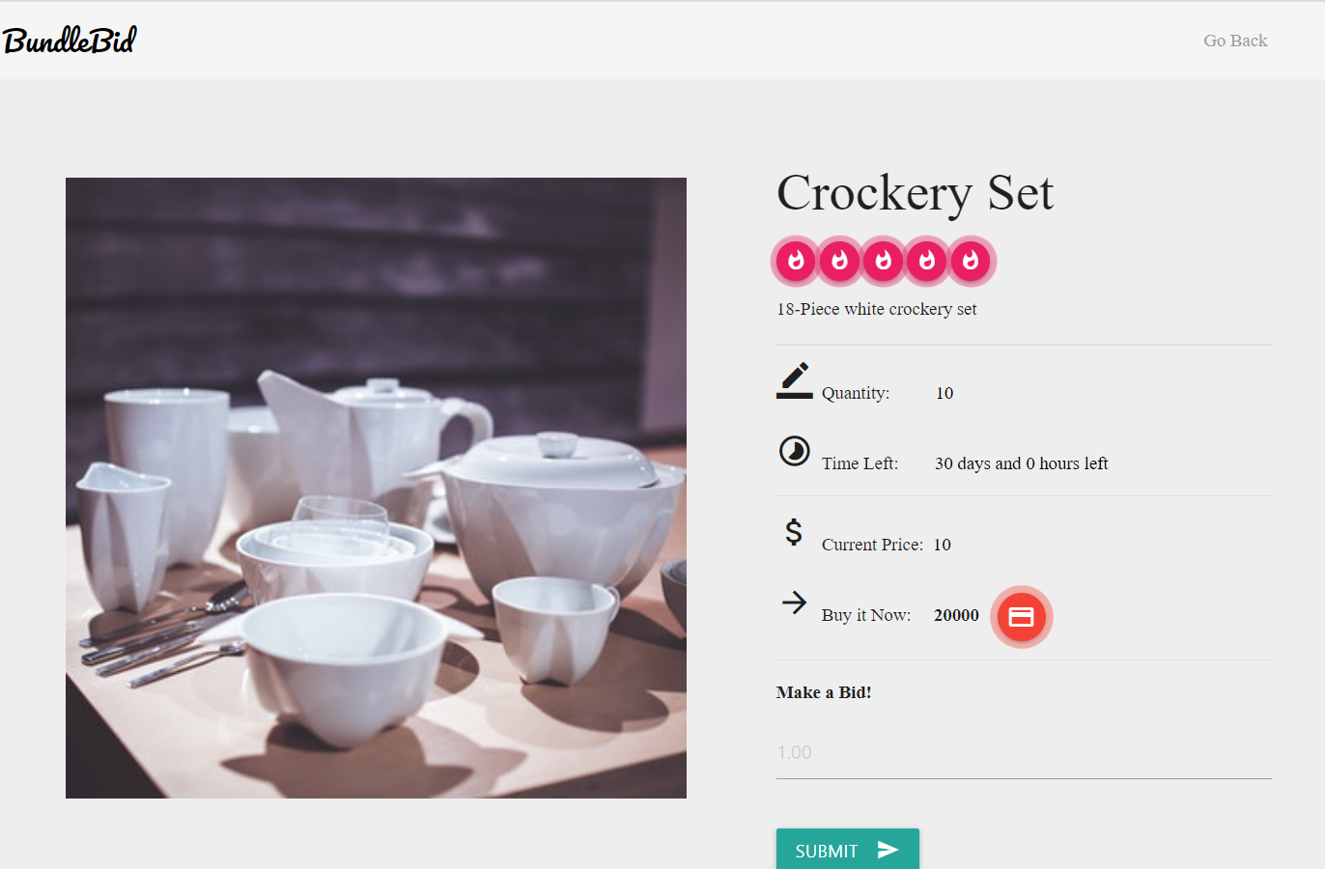

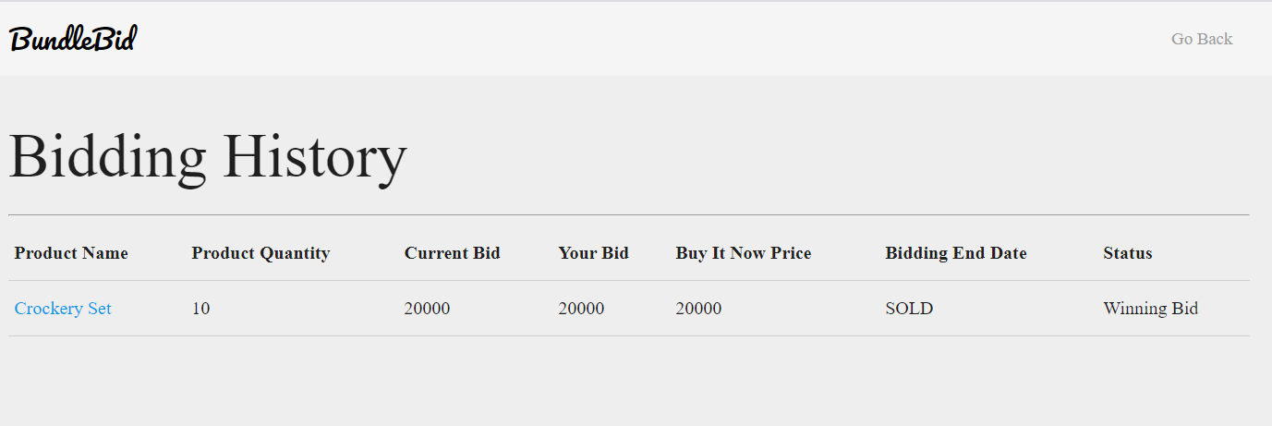

Test Case 2
Data Flow Out
TC Title: | TC2. Buy at Max Bid - Data Flow Out

TC Objective: | Ensure that the modified product details appears accurately on webpage.

Registered
Wholesaler
Buy Now
04.02 Buy at
Max Bid
Update
Database
Should display
current bid and your bid
value same as
max-bid value.
TC Description
 | Step | Step Description | Expected Results
 | 1 | Click "Buy Now" button. | System should display message as "This product is yours!" and should redirect user to homescreen.
D
Product
 | 2 | Click on "Bidding History" button. | System should display that product status as "SOLD".

2.04 Bidding
History

